Part 1 Scatter Plot Analysis
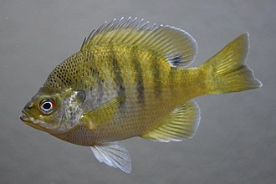
Age(years) | Length(mm)
1 | 67
1 | 62
2 | 109
2 | 83
2 | 91
2 | 88
3 | 137
3 | 131
3 | 122
3 | 122
3 | 118
3 | 115
3 | 131
3 | 143
3 | 142
2 | 123
3 | 122
4 | 138
4 | 135
4 | 146
4 | 146
4 | 145
4 | 145
4 | 144
4 | 140
4 | 150
4 | 152
4 | 157
4 | 155
4 | 153
4 | 154
4 | 158
4 | 162
4 | 161
4 | 162
4 | 165
4 | 171
5 | 171
4 | 162
4 | 169
4 | 167
5 | 188
2 | 100
2 | 109
4 | 150
3 | 140
4 | 170
3 | 150
4 | 140
4 | 140
4 | 150
4 | 150
3 | 140
3 | 150
3 | 150
4 | 150
4 | 160
3 | 140
4 | 150
5 | 170
4 | 150
5 | 150
4 | 150
4 | 150
3 | 150
5 | 150
5 | 160
4 | 140
5 | 160
3 | 130
4 | 160
3 | 130
4 | 170
6 | 170
4 | 160
5 | 180
4 | 160
4 | 170

